Stakeholder analysis
Stakeholder analysis
POPULATE STAKEHOLDER COLUMN
This can be at a group or individual level (depending on the size of the finance function or the influence of the individual stakeholders)
1

Stakeholder | Current state | Desired state | Project influence | Approximate numbers | Level of commitment required | Possible engagement strategies | Change management needed | Priority
 | Using the influence reaction grid |  |  |  | Using the change curve

Influence reaction grid
Influence/reaction grid

PLOT EACH TYPE OF STAKEHOLDER ON THE GRID
2

Actively engaged/open to engagement
Light change management needed
Active change management needed
Considerable change management needed
In terms of effort needed for desired engagement
Level of stakeholder management required
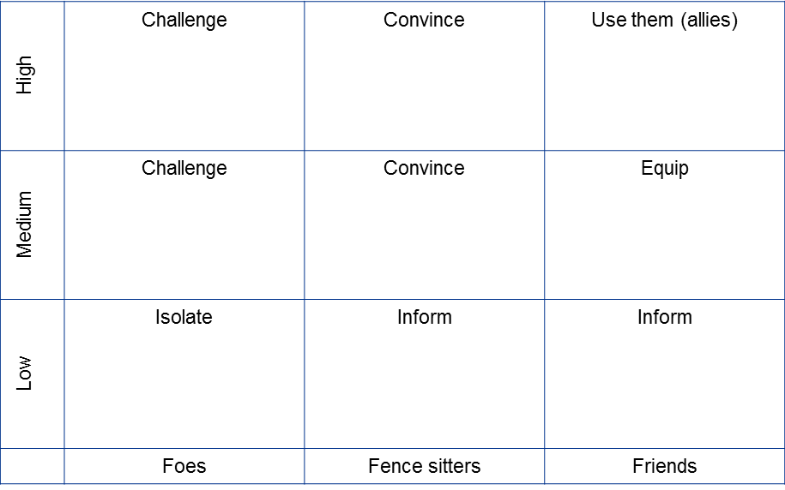
Influence on the outcome of the project

Direction stakeholders need to be moved
Reaction to change

Change curve
Change curve
REVIEW THE CHANGE COMMITMENT CURVE
Assess the level of commitment required for each group and populate the stakeholder analysis table with results.
3

e.g. Influence reaction grid
Illustrative example: Influence/reaction grid

Level of stakeholder management required
CFO
Finance management
Senior finance management
Influence on the outcome of the project
Communications team

Investors
Customers

Suppliers

Reaction to change
Direction stakeholders need to be moved

e.g. Change curve
Illustrative example: Change curve

Senior finance management
CFO
Finance management

Communications team
Investors
Suppliers

Customers

